Pivot
Facilities by Region
Region | Count of Facility Name
Grand Total | #DIV/0! | Type health facility | Count of Facility Name |  |  |  |  |  |  |  |  | District | Count of Facility Name
 |  | Grand Total |  | Ownership facility | Count of Facility Name |  |  |  |  | Priority level facility | Count of Facility Name | Badhan | 5.75%
 |  |  |  | Grand Total |  | Maternal care services | Count of Facility Name | TB treatment services | Count of Facility Name | Grand Total |  | Baki | 3.45%
 |  |  |  |  |  | Grand Total | #DIV/0! | Grand Total |  |  |  | Balligubadle | 0.57%
 |  |  |  |  |  |  |  |  |  |  |  | Berbera | 5.46%
Facilities by maternal services
Facilies by District
 |  |  |  |  |  |  |  |  |  |  |  | Borama | 4.31%
Facilities by Type Health facility
 | Total
Grand Total
 |  |  |  |  |  |  |  |  |  |  |  | Buhoodle | 3.16%
Facilies by Ownership %
 | Total
Grand Total
 |  |  |  |  |  |  |  |  |  |  |  | Burco | 8.33%
Facilities vs TB services
 | Total
Grand Total
 |  |  |  |  |  |  |  |  |  |  |  | Cadadley | 0.29%
Facilities by Level priority
 | Total
Grand Total
 |  |  |  |  |  |  |  |  |  |  |  | Caynabo | 2.30%
 |  |  |  |  |  |  |  |  |  |  |  | Ceel berdaale | 0.29%
 |  |  |  |  |  |  |  |  |  |  |  | Ceel-Afwayn | 3.16%
 |  |  |  |  |  |  |  |  |  |  |  | Ceerigabo | 8.62%
 |  |  |  |  |  |  |  |  |  |  |  | Dhahar | 0.57%
 |  |  |  |  |  |  |  |  |  |  |  | Faraweyne | 0.29%
 |  |  |  |  |  |  |  |  |  |  |  | Gabiley | 5.75%
 |  |  |  |  |  |  |  |  |  |  |  | Hargeisa | 15.80%
 |  |  |  |  |  |  |  |  |  |  |  | Horufadhi | 0.29%
 |  |  |  |  |  |  |  |  |  |  |  | Huddun | 2.87%
 |  |  |  |  |  |  |  |  |  |  |  | Laasaanod | 9.77%
 |  |  |  |  |  |  |  |  |  |  |  | Lughaya | 3.16%
 |  |  |  |  |  |  |  |  |  |  |  | Odwayne | 3.74%
 |  |  |  |  |  |  |  |  |  |  |  | Qardho | 0.29%
 |  |  |  |  |  |  |  |  |  |  |  | Sabawanag | 0.57%
 |  |  |  |  |  |  |  |  |  |  |  | Sheikh | 4.31%
 |  |  |  |  |  |  |  |  |  |  |  | Taleh | 2.30%
 |  |  |  |  |  |  |  |  |  |  |  | Widhwidh | 0.57%
 |  |  |  |  |  |  |  |  |  |  |  | Xingalool | 0.29%
 |  |  |  |  |  |  |  |  |  |  |  | Zeila | 3.74%
 |  |  |  |  |  |  |  |  |  |  |  | Grand Total | 100.00%

Dashboard
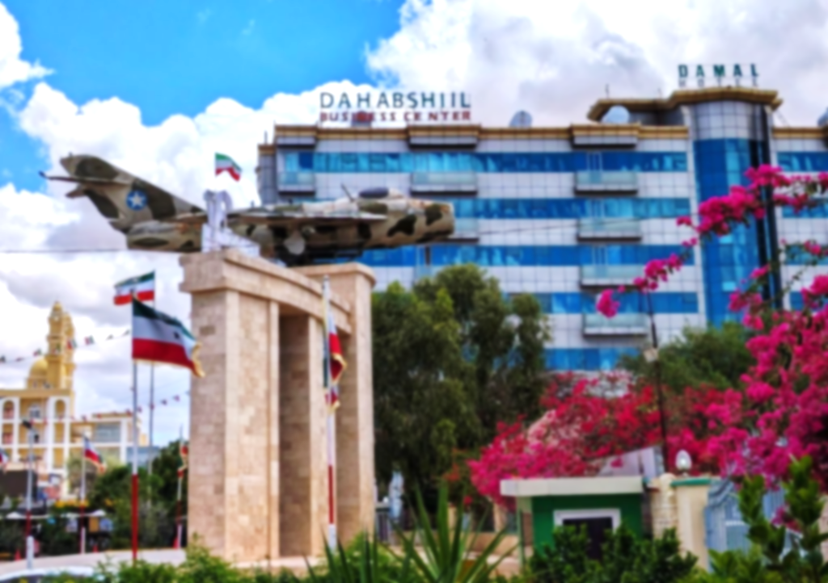
Somaliland Health Facilities Dashboard SARA survey

Total Facilities
Total Regions
348
Total Districts
Priority Facilities
Maternal Services
TB Facilities
348
6
13
28
132
84

Facilities by Type Health facility
 | Total
Grand Total
Facilies by Ownership %
 | Total
Grand Total
Facilities by maternal services
 | Total
Grand Total | #N/A
Facilities by Region
 | Total
Grand Total | #N/A

Facilies by District
 | Total
Badhan | 5.75%
Baki | 3.45%
Balligubadle | 0.57%
Berbera | 5.46%
Borama | 4.31%
Buhoodle | 3.16%
Burco | 8.33%
Cadadley | 0.29%
Caynabo | 2.30%
Ceel berdaale | 0.29%
Ceel-Afwayn | 3.16%
Ceerigabo | 8.62%
Dhahar | 0.57%
Faraweyne | 0.29%
Gabiley | 5.75%
Hargeisa | 15.80%
Horufadhi | 0.29%
Huddun | 2.87%
Laasaanod | 9.77%
Lughaya | 3.16%
Odwayne | 3.74%
Qardho | 0.29%
Sabawanag | 0.57%
Sheikh | 4.31%
Taleh | 2.30%
Widhwidh | 0.57%
Xingalool | 0.29%
Zeila | 3.74%

Facilities vs TB services
 | Total
Grand Total
Facilities by Level priority
 | Total
Grand Total

